UI
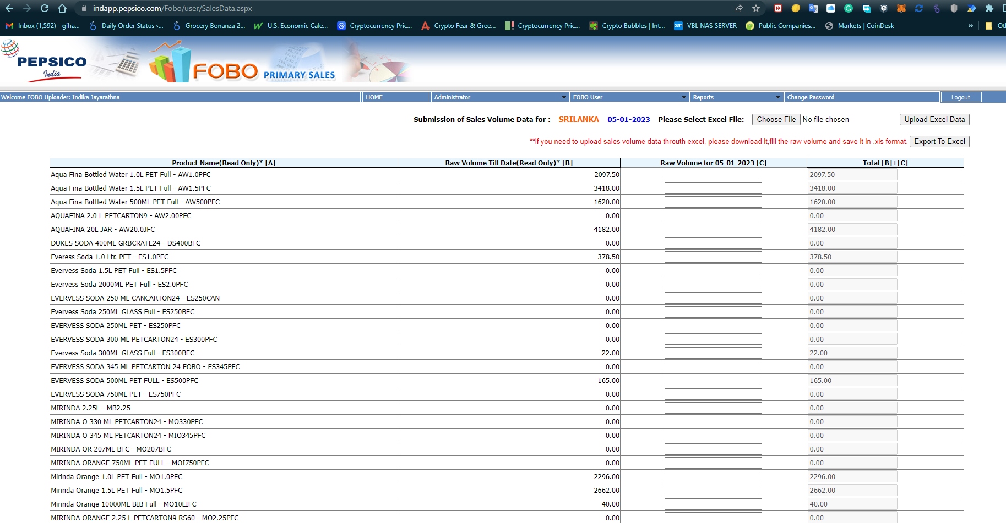

DB Name | DB1

SKUs | QTY
Pepsi 200ml
Pepsi 300ml

Auto Email
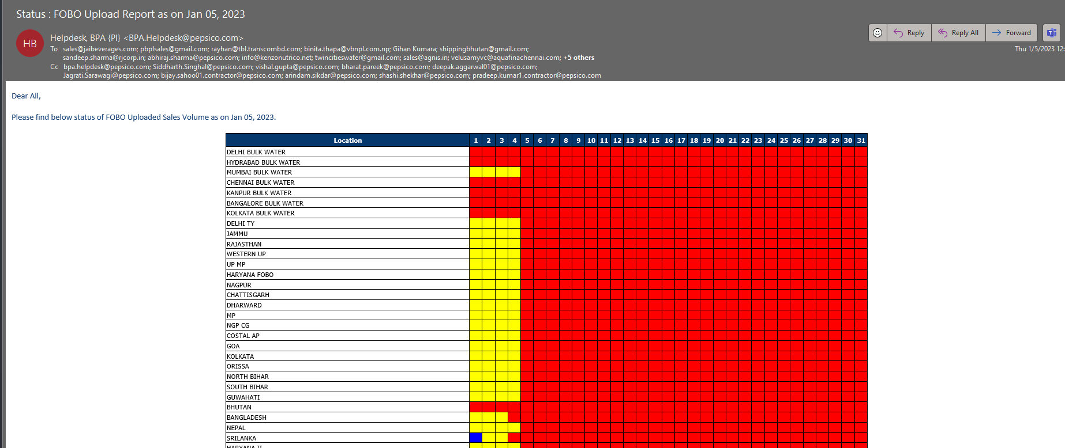
Email

